Content
 |  |  |  |  |  |  | Revised Date: | 2026-08-21

ICs Product Function |  |  |  | NO. | Discrete Product Function |  | NO. | Discrete Product Function
Power Management IC |  |  |  | 1-1 | Automotive MOSFET Overview |  | 5-1 | ESD Protection - Standard Snapback
 | AD-DC Switching Regulators |  |  | 1-2 | General MOSFET Overview |  | 5-2 | ESD Protection - Deep Snapback
 |  | High Efficiency Resonant Flyback Controlle |  | 1-3 | Small Signal MOSFET(Rds(on) > 1Ω) |  | 5-3 | ESD Protection - High Surge
 |  | Active Bridge Controller |  | 1-4 | Low Voltage MOSFET(20 - 40V , Rds(on) < 1Ω) |  | 5-4 | ESD Protection Overview
 |  | Automatic X Capacitor Discharge IC |  | 1-5 | Medium Voltage MOSFET(60 - 200V , Rds(on) < 1Ω) |  | 5-5 | Zener Diodes
 |  | PFC Controller |  | 1-6 | High Voltage MOSFET(400 - 1000V) |  | 5-6 | Transient Voltage Suppressors
 |  | LLC + Synchronous Rectifier(SR) Controller |  | 1-7 | Super Junction MOSFET(600 - 650V) |  | 5-7 | Load Dump Transient Voltage Suppressors
 | DC-DC Switching Regulators
 |  | Boost Regulators |  | 2-1 | Small Signal Schottky(IF < 1A) |  | 6-1 | General Transistor
 | LDOs |  |  | 2-2 | Power Schottky(IF ≧ 1A) |  | 6-2 | Low VCE(sat) Transistor
 |  | Low Noise LDOs |  | 2-3 | Super Schottky(Low VF)
 | Power Switches |  |  |  |  |  | 7-1 | Bridge Rectifiers(VRRM = 50 - 1000V)
 |  | Load Switches |  | 3-1 | SiC Diodes(VRRM = 650 - 1200V, IF = 2 - 40A) |  | 7-2 | Schottky Bridge Rectifiers(VRRM = 40 - 100V)
Signal Chain IC
 | Interfaces |  |  | 4-1 | Small Signal Switching Diode(≦500mW, VRRM = 50 - 350V) |  | 8-1 | High Speed IGBTs(20-40 KHz , 650V)
 |  | General ADC |  | 4-2 | General Purpose Rectifiers(VRRM = 50 - 1700V)
 | Sensors |  |  | 4-3 | Fast Recovery Rectifiers(TRR = 150 - 500ns) |  | Others
 |  | Temperature Sensors |  | 4-4 | Ultra Fast Recovery Rectifiers(TRR = 50 - 100ns) |  |  | MOSFET Package
 | Logics |  |  | 4-5 | Super Fast Recovery Rectifiers(TRR = 25 - 50ns) |  |  | Package Cross
 |  | Single Logic Gates |  | 4-6 | Hyper Fast Recovery Rectifiers(TRR= 15 - 35ns) |  |  | Packing Information(Reel/Bulk/Ammunition)
Motor Control IC |  |  |  | 4-7 | FRED(VRRM = 600 - 1200V , IF = 8 - 60A) |  |  | Tape Reel Packaging / Orientation Standard(Download Document)
 | Pre-Driver MCU
 |  | BLDC Drivers
 | All-in-One
 |  | Stepping Motor Drivers
 |  | BLDC Drivers
Contact Us Now
Suzhou, China
TEL : +86-512-6536-7711
Tokyo, Japan
TEL : +81-0422-27-1843/1844
Shenzhen, China
TEL : +86-755-897-09768
Wuxi, China
TEL : +86-510-8522-8922
Yongin, Korea
TEL : +82-31-202-6270
Asia |  |  |  |  |  | Europe
Kaohsiung, Taiwan(Headquarter) |  |  |  |  |  | Munich, Germany
TEL : +886-7-621-3121 |  |  |  |  |  | TEL : +49-89-729-4900-12
Taipei, Taiwan |  |  |  |  |  | America
TEL : +886-2-2627-1898 |  |  |  |  |  | Tempe, Arizona, US
mail : sales@panjit.com.tw |  |  | Website : www.panjit.com |  |  | TEL : +1-602-404-1700

Shop Online







(EU)
(US)

MOSFET Package
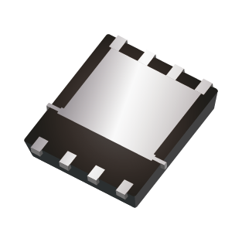
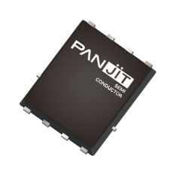
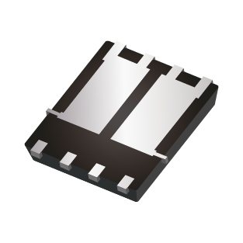
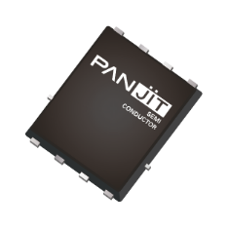
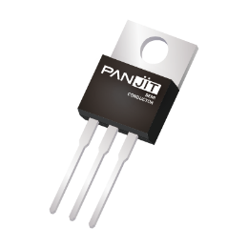
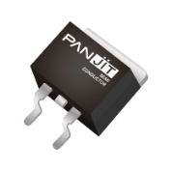
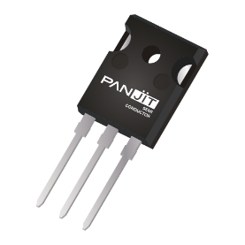
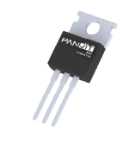
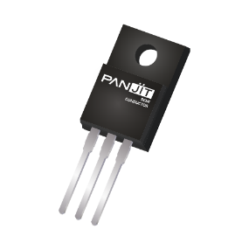
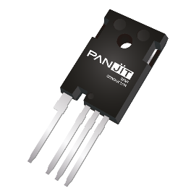
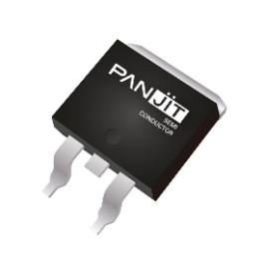
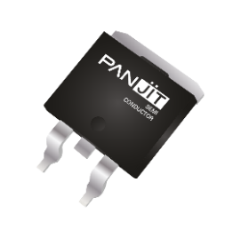
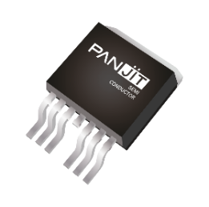
 |  |  |  | Back to content |  |  |  |  | Revised Date: | 2025-12-23
 | PJWxxx | PJAxxx | PJSxxx | PJCxxx | PJTxxx | PJExxx | PJXxxx | PJVxxx
Unit:mm | 6.5 x 7.0 x 1.6 | 2.9 x 2.4 x 1.0 | 2.9 x 2.8 x 1.5 | 2.0 x 2.1 x 1.0 | 2.0 x 2.1 x 1.0 | 1.6 x 1.6 x 0.6 | 1.6 x 1.6 x 0.6 | 1.2 x 1.2 x 0.5
Package Outline
Package | SOT-223 | SOT-23 | SOT-23 6L | SOT-323 | SOT-363 | SOT-523 | SOT-563 | SOT-723

 | PJMKxxx | PJMHxxx | PJPxxx | PJPxxx | PJFxxx | PJDxxx | PSMBxxx | PJBxxx |  | PJBxxx7
 |  |  |  | PSMPxxx | PJMFxxx | PSMDxxx | PJMBxxx | PSMBxxx
Unit:mm | 15.9 x 41.0 x 5.0 | 15.8 x 41.0 x 5.0 | 10.3 x 27.6 x 4.6 | 10.1 x 29.0 x 4.6 | 10.1 x 29.0 x 4.7 | 6.5 x 9.9 x 2.3 | 10.1 x 15.6 x 4.6 | 10.2 x 15.2 x 4.4 |  | 10.2x 15.2x 4.5
Package Outline
Package | TO-247AD-4L | TO-247AD-3LD | TO-220AB | TO-220AB-L | ITO-220AB-F | TO-252AA | TO-263 | TO-263AB | TO-263AB-L | TO-263-7L

 | PJLxxx | PSMNxxx |  | PJQ54xx | PJQ56xx | PSMQFxx | PJQ54xx |  | PJQ44xx PJQ45xx | PJQ46xxP PJQ48xxP | PSMQExx | PJQ24xx PJQ25xx |  | PJQ18xx | PJQ19xx
 |  |  |  | PJQ55xx | PJQ58xx |  | PJQ55xx
 |  |  |  | PSMQCxxx | PJQ59xx |  | PSMQCxxx
Unit:mm | 4.9 x 6.0 x 1.7 | 9.8 x 11.7 x 2.3 |  | 5.0 x 6.0 x 1.0 | 5.0 x 6.0 x 1.0 | 5.0 x 6.0 x 1.0 | 5.15x6.15x1.05 |  | 3.3 x 3.3 x 0.8 | 3.3 x 3.3 x 0.8 | 3.3 x 3.3 x 1.0 | 2.0 x 2.0 x 0.8 |  | 1.0 x 1.0 x 0.4 | 1.0 x 0.6 x 0.5
Package Outline |  |  |  |  |  |  |  |  |  | 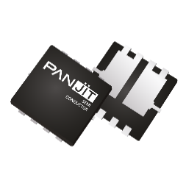
Package | SOP-8 | TOLL | TOLLK | DFN5060-8L | DFN5060B-8L | DFN5060S-8L | DFN5060X-8L | DFN5060XC-8L | DFN3333-8L | DFN3333B-8L | DFN3333S-8L | DFN2020-6L | DFN2020B-6L | DFN1010B-6L | DFN1006-3L

Package Cross
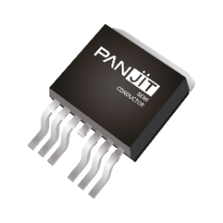

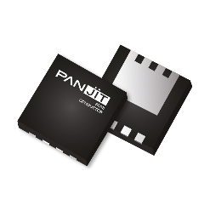
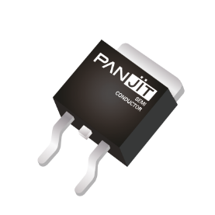
 |  |  | Back to content |  | Revised Date: | 2026-07-27 |  |  |  |  |  |  |  |  | *Show Footprint Compatibility Only
PANJIT PART NO. | PANJIT PACKAGE | PANJIT SIZE (mm) | Package Outline | NEXPERIA | ONSEMI | ROHM | TOSHIBA | RENESAS | INFINEON | DIODES | ST | VISHAY | SEMTECH | AOS | JEITA
PJWxxx | SOT-223 | 6.5 x 7.0 x 1.6 |  | SOT223 | SOT-223 | SOT223-4(F) | - | SOT-223 | SOT223 | SOT-223 | SOT-223 | SOT223 | - | SOT-223 | SC-73
PJAxxx | SOT-23 | 2.9 x 2.4 x 1.0 |  | SOT23 | SOT-23 | SSD3/SST3 SMD3/SMT3 TSMT3(SC-96) | S-Mini TSM SOT23 SOT-23F | MPAK | SOT23 | SOT-23 | SOT23 | SOT23 | SOT23 | SOT-23 | SC-59
PJSxxx | SOT-23 6L | 2.9 x 2.8 x 1.5 |  | SOT457 | SC-74 TSOP-6 Super SOTTM-6 | SMD6/SMT6 TSMD6/TSMT6 | TSOP6F SM6 VS-6 | TSOP-6 | SOT-23-6 TSOP6 SC74 | SOT23-6 SOT26 | - | TSOP6 TSOP-6 | SOT23-6L | SOT23-6L SOT23-6LP TSOP-6 | SC-74
PJCxxx | SOT-323 | 2.0 x 2.1 x 1.0 |  | SOT323 SOD323F | SC-70 MCPH3 | UMD3 UMD3F(SC-85) UMT3/UMT3F TMUT3 | USM UFM | CMAK CMPAK | SOT323 | SOT-323 | SOT-323 | SC-70 3 leads | SOT-323 | SC-70 | SC-70
PJTxxx | SOT-363 | 2.0 x 2.1 x 1.0 |  | SOT363 | SC-88 MCPH6 | UMD6/UMT6 | US6 UF6 USV | CMPAK-6 | SOT363 | SOT363 | - | SC70-6 | SC70-6L | SC70-6L | SC-88
SOT-523
SC-89
PJExxx | SOT-523 SC-89 | 1.6 x 1.6 x 0.6 |  | SOT663 | SOT-523F-3 SOT-416 | EMD3/EMD3F EMT3(SC-75A) EMT3F(SC-89) SOT-490(SC-81) | SSM SOT-416-3 SOT-523-2 | - | - | SOT523 | - | - | SC-75-3 | SC-75 | SC-75 SC-75A
PJXxxx | SOT-563 | 1.6 x 1.6 x 0.6 |  | SOT666 | SOT-563 | EMD6/EMT6 WEMT6 | ES6 ESV | SMFPAK-6 | SOT666 | SOT563 | - | SC89-6lead | SC-89 | - | SC-89 SC-107C
PJVxxx | SOT-723 | 1.2 x 1.2 x 0.5 |  | DFN1010D-3 (SOT1215) | SOT723 SOT-723-3 | VMD3/VMT3 SOT-723-3 | SOT-723-3 2-1L1A 1-1Q1S 2-1L1B | - | - | - | - | - | - | - | SC-105AA

TOLL
TOLLK
DFN5060-8L
DFN5060S-8L
PJLxxx | SOP-8 | 4.9 x 6.0 x 1.7 |  | SOT96 | SOIC-8 NB | SOP8 | FM8 SOP-8 | SOP-8 | SO-8 PG-DSO-8 | SO-8 | SO-8 | SO8 | - | SO-8 SO-8L | -
PSMNxxx | TOLL TOLLK | 9.8 x 11.7 x 2.3 |  | LFPAK88 (SOT1235) | TO-LL | - | TOLL | - | TO-LL (HSOF-8) | - | TO-LL | PowerPAK 8x8L | - | TOLL TOLLA | -
PJQ54xx PJQ55xx PSMQCxx PSMQFxx | DFN5060-8L DFN5060S-8L | 5.0 x 6.0 x 1.0 |  | LFPAK56D (SOT1205) | SO-8 FLAT DFN5 | HSOP8 (Single) | SOP Advance |  | TSON-8 Super SO8 PQFN 5x6 | - | Power FLAT 5x6 | - | - | DFN 5x6 | -
PJQ56xx PJQ58xx PJQ59xx | DFN5060B-8L | 5.0 x 6.0 x 1.0 |  | LFPAK56D (SOT1205) | SO-8FL Dual DFN-8 | HSOP8 (Dual) | SOP Advance | HSON-8 dual | PG-TD-SON-8 Super SO8 dual | Power DI5060-8 | Power FLAT 5x6 Dual | PowerPAK SO-8 Dual | - | - | -
DFN5060X-8L
DFN5060XC-8L
PJQ54xx PJQ55xx PJMQCxx | DFN5060X-8L DFN5060XC-8L | 5.15 x 6.15 x 1.05 |  | LFPAK56D (SOT1205) | SO-8FL Dual DFN-8 | HSOP8 (Dual) | SOP Advance | HSON-8 dual | PG-TD-SON-8 Super SO8 dual | Power DI5060-8 | Power FLAT 5x6 Dual | PowerPAK SO-8 Dual | - | - | -
DFN3333-8L
DFN3333S-8L
PJQ44xx PJQ45xx PSMQExx | DFN3333-8L DFN3333S-8L | 3.3 x 3.3 x 0.8 |  | LFPAK33 (SOT1210) | μ8FL WDFN-8 | HSMT8 | TSON Advance | - | PQFN 3.3x3.3 PG-TSD-SON-8 | - | Power FLAT 3.3x3.3 | - | - | DFN 3.3x3.3 | -
PJQ46xx PJQ48xx | DFN3333B-8L | 3.3 x 3.3 x 0.8 | 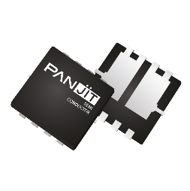 | LFPAK33 (SOT1210) | FQFN8 | HSMT8 | TSON Advance | - | PG-TSD-SON-8 dual | Power DI3333-8 | Power FLAT 3.3x3.3 Dual | PowerPAK® 1212-8S PowerPAK1212-8 | - | DFN 3.3x3.3 | -
PJQ46xx | DFN3030B-8L | 3.0 x 3.0 x 0.8 |  | - | - | - | - | - | - | - | - | - | - | DFN 3x3 | -
PJQ28xx | DFN2020-8L | 2.0 x 2.0 x 0.8 |  | - | - | - | - | - | - | - | - | - | - | DFN 2x2 - 8L | -
PJQ28xx | DFN2020-6L | 2.0 x 2.0 x 0.8 |  | DFN2020-6 DFN2020D-6 | 6 Lead DFN WDFN6 | HUML2020L8 (DUAL) | UDFN6 | - | PQFN 2x2 dual | UDFN2020-6 TYPE B | - | Power PAK SC-70 Thin Power PAK SC-70 | - | DFN 2x2 - 6L | -
PJQ24xx | DFN2020B-6L | 2.0 x 2.0 x 0.8 |  | DFN2020MD-6 | UDFN-6 WDFN6 | DFN2020-8S HUML2020L8 (SINGLE) | 1-2W1A | - | PQFN 2x2 | UDFN2020-6 TYPE E | - | Power PAK SC-70 Thin Power PAK SC-70 | - | - | -
PJQ18xx | DFN1010-6L | 1.0 x 1.0 x 0.5 |  | DFN1010B-6 | SOT963 | VMT6 | FS6 | - | - | SOT963 | - | - | - | - | -
PJQ19xx | DFN1006-3L | 1.0 x 0.6 x 0.5 |  | DFN1006-3 DFN1006B-3 | XDFN3 | VML1006 | CST3 SS CSP2 | - | TSLP-3-4 TSLP-3-1,-15 | X1-DFN 1006-3 X2-DFN 1006-3 | - | - | SLP1006P3 SLP1006P3T | DFN 1.0x0.6-3L | SC-101

PJMKxxx | TO-247AD-4L | 15.9 x 41.0 x 5.0 |  | - | TO-247-4LD | - | TO-247-4L |  | PG-TO 247-4 | - | TO247-4 | - | - | - | -
PJMHxxx | TO-247AD-3LD | 15.8 x 41.0 x 5.0 |  | - | TO-3PF | - | TO-3P 2-21F1A | TO-3P | TO247 PG-TO247-3 | - | TO-247 | TO-3PF | - | TO-3P TO-3PF | -
PJPxxx | TO-220AB | 10.2 x 27.6 x 4.6 |  | TO-220 (SOT78) | TO-220-3L TO-220-3 | TO-220AB | TO-220 | MP-25(K) | PG- TO220-3 TO220 | TO220-3 TO220AB | TO-220 | TO-220 TO- 220AB | - | TO-220 | -
PJMPxxx / PSMPxxx | TO-220AB-L | 10.1x29.0x4.6 |  | TO-220 (SOT78) | TO-220-3L TO-220-3 | TO-220AB | TO-220 | MP-25(K) | PG- TO220-3 TO220 | TO220-3 TO220AB | TO-220 | TO-220 TO- 220AB | - | TO-220 | -
PJFxxx / PJMFxxx | ITO-220AB-F | 10.1x29.0x4.7 |  | TO-220F (SOT186A) | TO-220F | TO-220FN TO-220FM TO-220NFM | TO-220SIS | TO-220FP | PG-TO220FP | TO-220F-3 ITO220AB | TO-220FP | ITO-220AB | - | TO-220F | -
PSMBxxx / PJMBxxx | TO-263(D2PAK) | 10.1 x 15.6 x 4.6 |  | D2PAK (SOT404) | D2PAK D2PAK3 TO-263-2L | LPDS LPTS | D2PAK TO-220SM | TO-263 LDPAK(S)-(1) MP-25Z TO-220S | D2PAK PG-TO-263-3 | D2PAK TO263 | D2PAK H2PAK-2 | D2PAK TO-263 TO-263AB TO-263 3-lead | - | TO263 | SC-83
PJBxxx / PSMBxxx | TO-263AB TO-263AB-L | 10.2 x 15.2 x 4.4 |  | D2PAK R2P (SOT8018) | D2PAK | D2PAK | - | - | D2PAK | TO263AB (D2PAK) | D2PAK | D2PAK (SOT404) | - | - | -
PJBxxx7 | TO-263-7L | 10.2x 15.2x 4.5 |  | - | - | TO-263-7L | - | - | PG-TO263-7-3 | TO263-7 | - | D2PAK-7L (TO-263-7L) | - | - | -
PJDxxx / PJMDxxx | TO-252AA(DPAK) | 6.5 x 9.9 x 2.3 |  | DPAK (SOT428) | DPAK | CPT3 TO-252 SOT-428 | DPAK+ PW-Mold | TO-252 (MP-3ZK) | TO-252-3 TO-252-3-23 | TO252 (DPAK) | DPAK | TO-252 TO-252 reverse | - | TO252 | SC-63

